2. High Level Structure
IP Transit

Lokasi POP IP Transit
Provisioning Transit
Packages
Commercial Offer / Root Product
IP Transit Global
Global Type
Product Level 1/2/3 / Feature
IP Transit Region
IP Transit Bandwidth Global
Attribute
Dedicated Type
Burst Flag
Product One-Time Charge/Discount

IP Transit Bedabandwidth
IP Transit Region
IP Transit Total
IP Transit Bandwidth Domestik
IP Transit Bandwidth Global
Global Type

Dedicated Type
Burst Flag
IP Transit Peering
IP Transit Region
IP Transit Peering Bandwidth

Other Option
IP Transit Burstable

Burst Flag
Fixed Bandwidth
Burstable Bandwidth
Rate
MSS - Jenis Perangkat
Port ID
Percentile
Tarif Kontrak per Bulan
Burstable Bandwidth Global

Burstable Bandwidth Domestik
Rate Global
Rate Domestik

Port ID Global
Port ID Domestik
Variant

Additional Charges
IP Transit Last Mile

IP Transit Last Mile Bandwidth
Biaya Psb IP Transit

Biaya Mutasi IP Transit
IP Transit Datacenter

Lokasi IP Transit Datacenter

IP Transit Burstable Surcharge
IP Transit Discount
IP Transit Discount OTC

IP Transit Mixed
Obsolete Package

4. Product
KEY
For Information Purpose Only
Information Possibly Stored in the System

 |  | Product Information |  |  |  |  |  |  |  |  |  |  |  |  | Billing Information |  |  |  |  |  | Supplier/Vendor Information |  |  | Product Eligibility & Compatibility
Last Updated | Notes and Actions Required | Product Name | Product Alias Name | Description | Part # (Should be Unique) | Product Class | Root Product? | Network Product? (have network node/site concept) | Start Date | End Date | Orderable? | Sales Product? | Track as Asset? | Auto Explode? | Billing Type | Billable? (Y/N) * | Price Type? * | Unit of Measure | Product Category (Product Family in TIBS) * | Revenue Code (GL Account #) * | Product Line | Primary Vendor | Vendor Part # | Check Eligibility? | Requires other product? | Exclude other product? | Compatibility Rule Comments | Which customer is the product eligible to? | Which agent/seller is the product eligible to? | Owner (Product Manager Name) *
Tanggal perubahan | Catatan (jika diperlukan) | Nama produk (Mandatory) | Product Name without the Supplier/Vendor Name (Mandatory) | Deskripsi produk offering | ID yang unik untuk setiap produk. Contoh : ASTINET-1, ASTINET-2, ASTINET-n (Mandatory) | Product class (Mandatory) | Produk merupakan product offering? (Y/N) Mandatory) | Produk offering merupakan konsep Network-Node atau bukan? Contoh produk : VPN IP | Tanggal mulai dijual | Tanggal produk berhenti dijual | Masuk product catalog? (Y/N) | Merupakan produk yang dijual bebas? (Y/N) | Produk perlu dicatat saat proses fulfillment selesai? (Y/N) (Mandatory) | Isikan 'Y' | Isikan : Jika produk offering = Service Bundle, Jika child product = Subscription, Jika product discount = Discount (Mandatory) | Produk perlu di-billing? (Y/N) | OTC (One Time Charge) atau Recurring? | Jika Recurring, di bill Monthy atau Yearly? | Pilihan : 1. Data & Internet Product; 2. ISISKA Retail Product; 3. Indonesia Wifi; 4. NONPOTS Product; 5. Usage-Based Product (Mandatory) | Kode revenue untuk billing. Tulis dengan format berikut : - Kode OTC = xxx - Kode MRC = xxx (Mandatory) | Jika merupakan product 3rd party, tentukan kategori produk apakah : - Device - Network - Application - Platform - Service - Other | Jika merupakan product 3rd party, tuliskan nama pemilik produk | Biarkan kosong | Biarkan kosong | Biarkan kosong | Biarkan kosong | Biarkan kosong | Biarkan kosong | Biarkan kosong | Pemilik produk
2017-03-20 | version 4 | IP Transit | IP Transit | IP Transit | IPTransit1 | IP Transit PS | Y | N |  |  | Y | Y | Y | Y | Service Bundle | Y | Recurring | Monthly | Data & Internet Products | 712|714 |  |  |  |  |  |  |  |  |  | DSS
2017-03-20 | version 4 | IP Transit Global | IP Transit Global | IP Transit Global | IPTransit2 | IP Transit Package PS | N | N |  |  | Y | N | Y | N | Subscription | Y | Recurring | Monthly | Data & Internet Products | 714 |  |  |  |  |  |  |  |  |  | DSS
2017-03-20 | version 4 | IP Transit Bedabandwidth | IP Transit Beda Bandwidth | IP Transit Beda Bandwidth | IPTransit3 | IP Transit Package PS | N | N |  |  | Y | N | Y | N | Subscription | Y | Recurring | Monthly | Data & Internet Products | 714 |  |  |  |  |  |  |  |  |  | DSS
2017-03-20 | version 4 | IP Transit Burstable | IP Transit Burstable | IP Transit Burstable | IPTransit5 | Burstable PS | N | N |  |  | Y | N | Y | N | Subscription | Y | Recurring | Monthly | Data & Internet Products | 714 |  |  |  |  |  |  |  |  |  | DSS
2017-03-20 | version 4 | IP Transit Peering | IP Transit Peering | IP Transit Peering | IPTransit6 | IP Transit Package PS | N | N |  |  | Y | N | Y | N | Subscription | Y | Recurring | Monthly | Data & Internet Products | 714 |  |  |  |  |  |  |  |  |  | DSS
2017-03-20 | version 4 | IP Transit Discount | IP Transit Discount | IP Transit Discount | IPTransit_DSC | Discount PS | N | N |  |  | Y | N | Y | N | Discount | Y | Recurring | Monthly | Data & Internet Products | 712|714 |  |  |  |  |  |  |  |  |  | DSS
2017-03-20 | version 4 | IP Transit Last Mile | IP Transit Last Mile | IP Transit Last Mile | IPTransit7 | IP Transit lastmile PS | N | N |  |  | Y | N | Y | N | Subscription | Y | Recurring | Monthly | Data & Internet Products | 714 |  |  |  |  |  |  |  |  |  | DSS
2017-03-20 | version 4 | Biaya Psb IP Transit | Biaya PSB IP Transit | Biaya PSB IP Transit | IPTransit8 | IP Transit OTC PS | N | N |  |  | Y | N | Y | N | Subscription | Y | One-Time |  | Data & Internet Products | 712 |  |  |  |  |  |  |  |  |  | DSS
2017-03-20 | version 4 | Biaya Mutasi IP Transit | Biaya Mutasi IP Transit | Biaya Mutasi IP Transit | IPTransit9 | IP Transit OTC PS | N | N |  |  | Y | N | Y | N | Subscription | Y | One-Time |  | Data & Internet Products | 712 |  |  |  |  |  |  |  |  |  | DSS
2017-03-20 | version 4 | IP Transit Datacenter | IP Transit Datacenter | IP Transit Datacenter | IPTransit10 | IP Transit Datacenter PS | N | N |  |  | Y | N | Y | N | Subscription | Y | Recurring | Monthly | Data & Internet Products | 714 |  |  |  |  |  |  |  |  |  | DSS
2018-01-10 | Version 6 | IP Transit Burstable Surcharge | IP Transit Burstable Surcharge | IP Transit Burstable Surcharge | IPTransit11 | BURST_SURCHARGE_PS | N | N |  |  | Y | N | Y | N | Subscription | Y | Recurring | Monthly | Data & Internet Products | 714 |  |  |  |  |  |  |  |  |  | DSS
2018-01-11 | Version 6 | IP Transit Discount OTC | IP Transit Discount OTC | IP Transit Discount OTC | IPTransit12 | Discount PS | N | N |  |  | Y | N | Y | N | Discount | Y | One-Time |  | Data & Internet Products | 712|714 |  |  |  |  |  |  |  |  |  | DSS
2018-01-11 | Version 6 | IP Transit Mixed | IP Transit Mixed | IP Transit Mixed | IPTransit4 | IP Transit Package PS | N | N |  |  | Y | N | Y | N | Subscription | Y | Recurring | Monthly | Data & Internet Products | 714 |  |  |  |  |  |  |  |  |  | DSS

11. Attribute Adjustment
Jika pada pricelist tertera lebih dari satu attribute adjustment, silahkan tambahkan block isian attribute adjustment

No. | Attribute Adjustment Name | Class | Type | Currency | Effective From | Effective To
Nomor | Nama attribute adjustment | Product class dari atribut yang digunakan | Isikan = Multiple Dimension | Isikan = IDR | Kosongkan | Kosongkan
 | IP Transit PrcAdj-201801 | IP Transit Package PS
 | Pricing Dimension
 | Dimension Type | Name | Operator | Variable Map Type | Variable Name | Attribute | Data Type | Domain Type | Bounded | Allow Any | Business Object | Business Component | Field | Search Specs | LOV
 | Isikan = Condition. (biarkan isian Result yang ada dalam template) | Nama atribut | Isikan sesuai kondisi : <, >, <=, >=, = | Isikan = XA | Kosongkan | Nama atribut | kosongkan | kosongkan | kosongkan | kosongkan | kosongkan | kosongkan | kosongkan | kosongkan | kosongkan
 | Result | Adjustment Type |  |  |  | LOV |  | LOV
 | Result | Adjustment Amount |  |  |  | Number |  | Number
 | Condition | FROM | <= | XA |  | IP Transit Bandwidth Global
 | Condition | TO | > | XA |  | IP Transit Bandwidth Global
 | Condition | REGION | = | XA |  | Region
 | Condition | Burst Flag | = | XA |  | Burst Flag
 | Result | NEXT |  |  |  |  |  |  |  | Y

 | Conditions
 | Sequence | Burst Flag = (jika nilainya N, maka adjs ammount = 0) | FROM [<=] | REGION [=] | TO [>] | NEXT | Adjustment Type | Adjustment Amount
 | Urutan nomor | Nama atribut | Nama atribut | Nama atribut | Nama atribut | Nama atribut
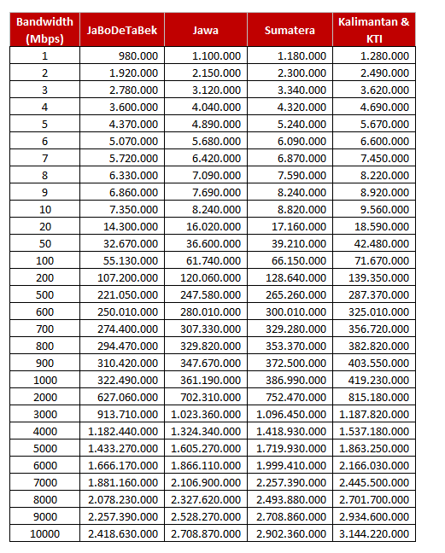

No. | Attribute Adjustment Name | Class | Type | Currency | Effective From | Effective To
Nomor | Nama attribute adjustment | Product class dari atribut yang digunakan | Isikan = Multiple Dimension | Isikan = IDR | Kosongkan | Kosongkan
 | IP Transit Global PrcAdj-201801 | IP Transit Package PS
 | Pricing Dimension
 | Dimension Type | Name | Operator | Variable Map Type | Variable Name | Attribute | Data Type | Domain Type | Bounded | Allow Any | Business Object | Business Component | Field | Search Specs | LOV
 | Isikan = Condition. (biarkan isian Result yang ada dalam template) | Nama atribut | Isikan sesuai kondisi : <, >, <=, >=, = | Isikan = XA | Kosongkan | Nama atribut | kosongkan | kosongkan | kosongkan | kosongkan | kosongkan | kosongkan | kosongkan | kosongkan | kosongkan
 | Result | Adjustment Type |  |  |  | LOV |  | LOV
 | Result | Adjustment Amount |  |  |  | Number |  | Number
 | Condition | FROM | <= | XA |  | IP Transit Bandwidth Global
 | Condition | TO | > | XA |  | IP Transit Bandwidth Global
 | Condition | REGION | = | XA |  | Region
 | Condition | Burst Flag | = | XA |  | Burst Flag
 | Result | NEXT |  |  |  |  |  |  |  | Y

 | Conditions
 | Sequence | Burst Flag = (jika nilainya N, maka adjs ammount = 0) | FROM [<=] | REGION [=] | TO [>] | NEXT | Adjustment Type | Adjustment Amount
 | Urutan nomor | Nama atribut | Nama atribut | Nama atribut | Nama atribut | Nama atribut
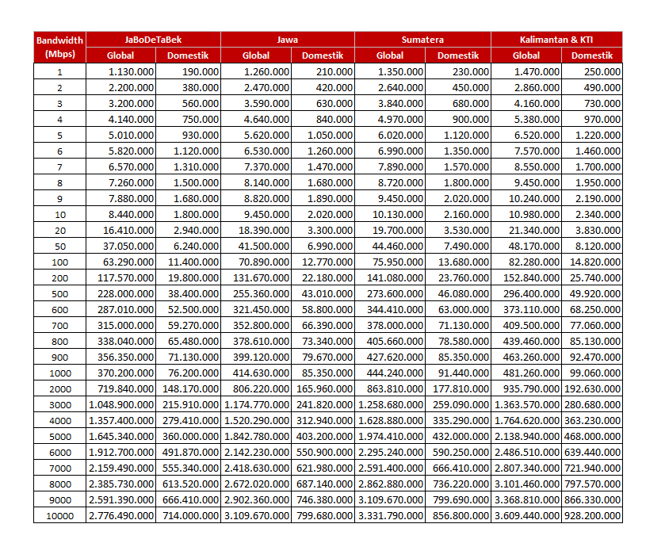

No. | Attribute Adjustment Name | Class | Type | Currency | Effective From | Effective To
Nomor | Nama attribute adjustment | Product class dari atribut yang digunakan | Isikan = Multiple Dimension | Isikan = IDR | Kosongkan | Kosongkan
 | IP Transit Domestik PrcAdj-201801 | IP Transit Package PS
 | Pricing Dimension
 | Dimension Type | Name | Operator | Variable Map Type | Variable Name | Attribute | Data Type | Domain Type | Bounded | Allow Any | Business Object | Business Component | Field | Search Specs | LOV
 | Isikan = Condition. (biarkan isian Result yang ada dalam template) | Nama atribut | Isikan sesuai kondisi : <, >, <=, >=, = | Isikan = XA | Kosongkan | Nama atribut | kosongkan | kosongkan | kosongkan | kosongkan | kosongkan | kosongkan | kosongkan | kosongkan | kosongkan
 | Result | Adjustment Type |  |  |  | LOV |  | LOV
 | Result | Adjustment Amount |  |  |  | Number |  | Number
 | Condition | FROM | <= | XA |  | IP Transit Bandwidth Global
 | Condition | TO | > | XA |  | IP Transit Bandwidth Global
 | Condition | REGION | = | XA |  | Region
 | Condition | Burst Flag | = | XA |  | Burst Flag
 | Result | NEXT |  |  |  |  |  |  |  | Y

 | Conditions
 | Sequence | Burst Flag = (jika nilainya N, maka adjs ammount = 0) | FROM [<=] | REGION [=] | TO [>] | NEXT | Adjustment Type | Adjustment Amount
 | Urutan nomor | Nama atribut | Nama atribut | Nama atribut | Nama atribut | Nama atribut

